Filter
Tist Case ID | Bug ID | Title Description | Preconditions | Environment | Steps to reproduce | Test Data | Expected Result | Actual Result | Attachment | Priority | Severity
Filter_tc_015 | Filter_B_001 | Filter menu doesn't work | User is logged in. u | Mobile · Tablet · Laptop | 1. Open side menu. 2.click in any item of Filter menu | 1. Username ="problem_user" 2. Password ="secret_sauce" | each filter option filter the page as described | No filtering on the page |  | critical | critical
Filter_tc_036 | Filter_B_002 | Filter menu gives errormessage when clicking on | User is logged in. u | Mobile · Tablet · Laptop | 1. Open side menu. 2.click in any item of Filter menu | 1. Username ="error_user" 2. Password ="secret_sauce" | each filter option filter the page as described | An error message"Sorting is broken! This error has been reported to Backtrace." appear | 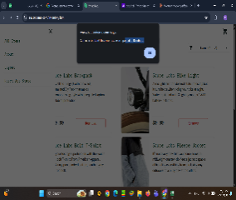 | critical | critical
Filter_tc_037 | Filter_B_003 | Filter menu"price low to high doesn't work | User is logged in. u | Mobile · Tablet · Laptop | 1. Open side menu. 2.click in "price low to high in the Filter drop down menu | 1. Username ="visual_user" 2. Password ="secret_sauce" | All items ordered from low to high prices | the item order randomely |  | high | high
Filter_tc_038 | Filter_B_004 | Filter menu"price high to low doesn't work | User is logged in. u | Mobile · Tablet · Laptop | 1. Open side menu. 2.click in "price high to low in the Filter drop down menu | 1. Username ="visual_user" 2. Password ="secret_sauce" | All items ordered from low to high prices | the item order randomely |  | high | high
Filter_tc_039 | Filter_B_005 | Filter dropdown responds slowly to user interaction | User is logged in. u | Mobile · Tablet · Laptop | 1. click on any filter option | 1. Username ="visual_user" 2. Password ="secret_sauce" | the page responds quickly and smoothly | Page interactions are slow and animations are not fluid |  | high | high

